Sheet1
LM555 | http://www.electroschematics.com/4843/1-hz-pulse-generator/
http://www.ti.com/lit/ds/symlink/lm555.pdf
sa/se555 speced | http://www.ti.com/lit/ds/symlink/ne555.pdf
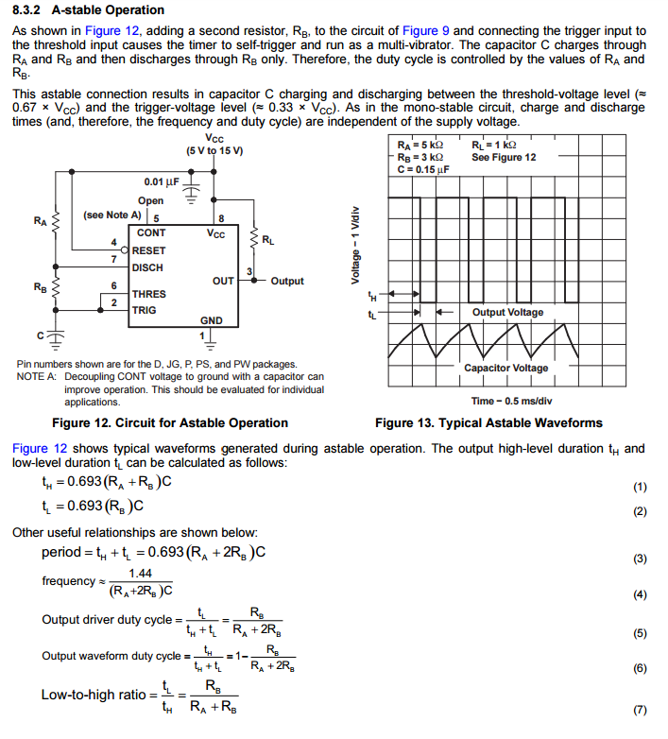
 |  | Charge from 3V to 6V
 |  | Discharge from 6V to 3V

 |  | http://www.daycounter.com/Calculators/NE555-Calculator.phtml

 |  | RB = 72k
 |  | C = 10uF

 |  | RB = 7.2k
 |  | C = 100uF

